Photo Gallery (2)
Photo Gallery

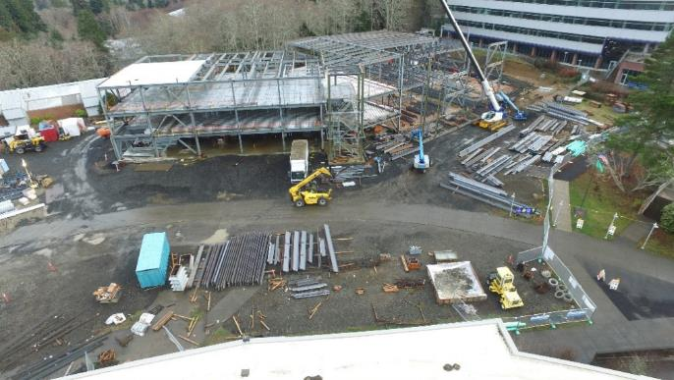
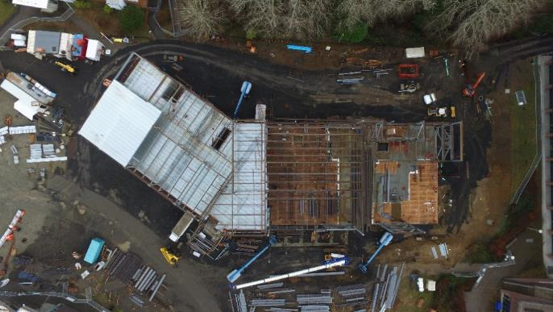

Steel structure 12/2022
Overhead 12/22

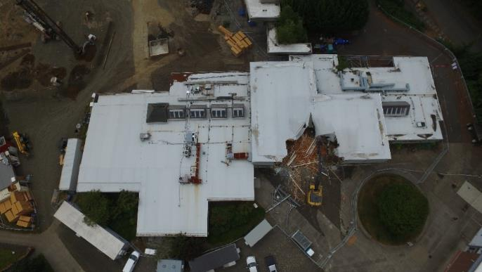
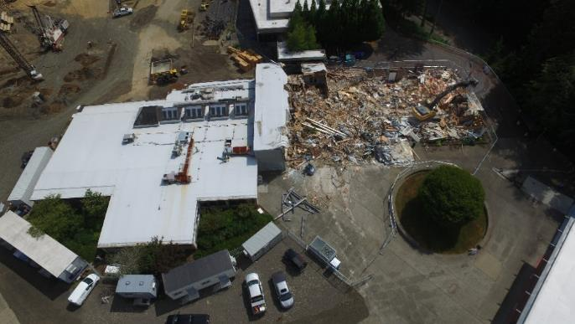

HUB Demo 08/2022
HUB demo 08/2022

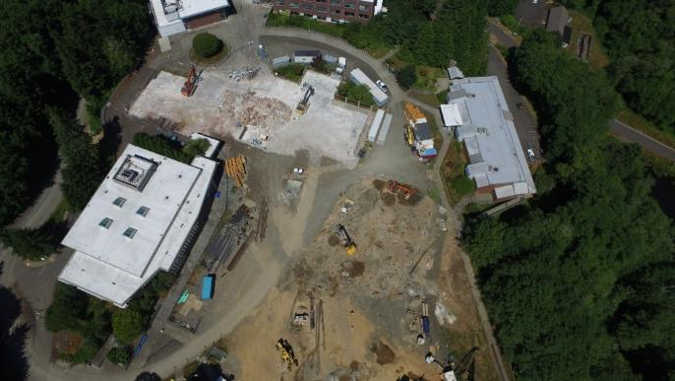
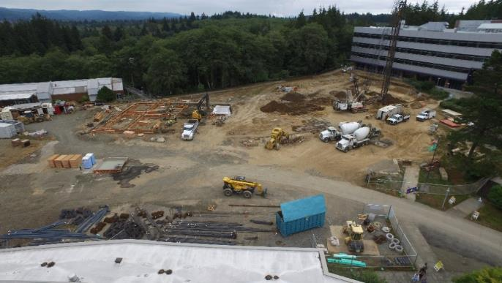

SIte 08/2022
Auger cast piles, grade beams 08/23

Photo Gallery (3)
Photo Gallery

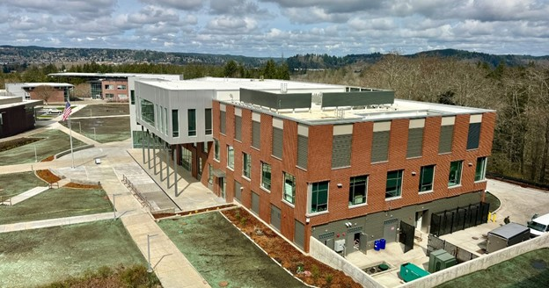
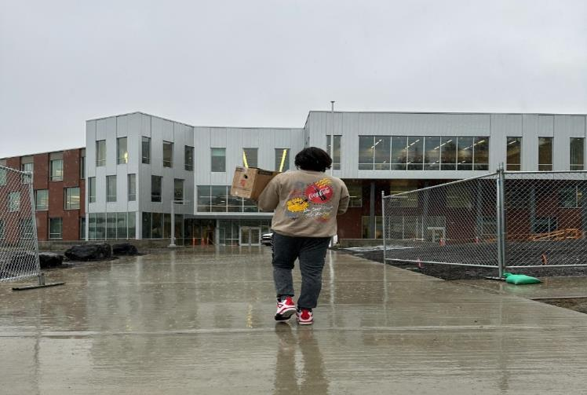

Overhead 4/1/2024
Front view 3/1/2024

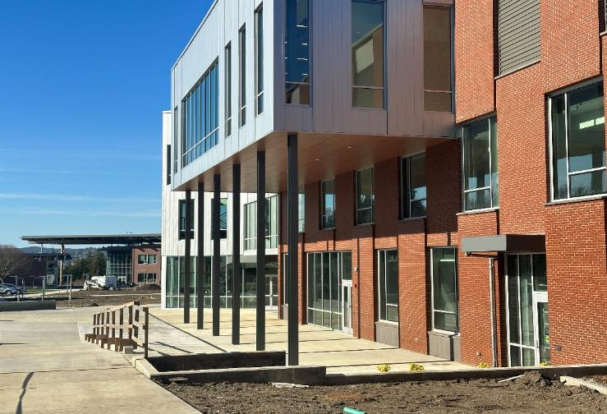
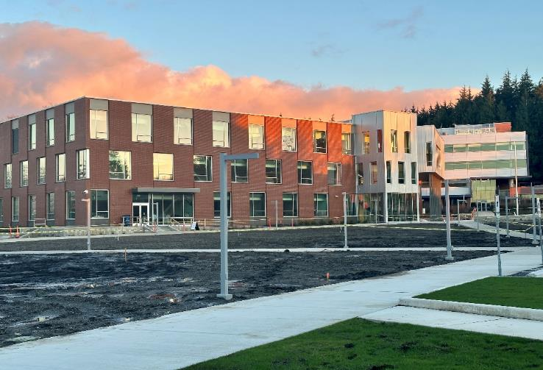

Side view 3/18/2024
Side view 3/18/2024

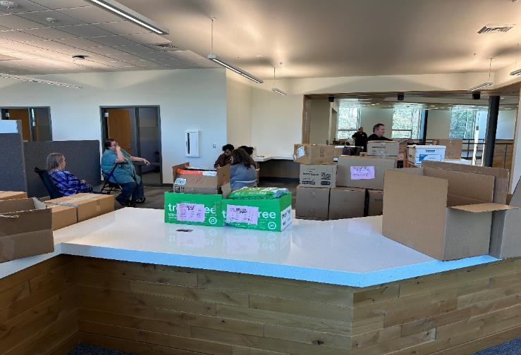
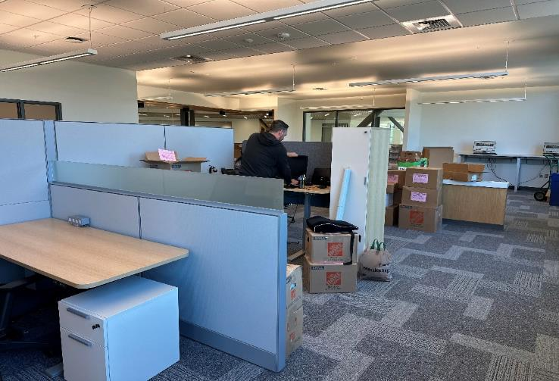

Student Services Center 3/1/2024
Student Services Center 3/1/2024

Photo Gallery (4)
Photo Gallery

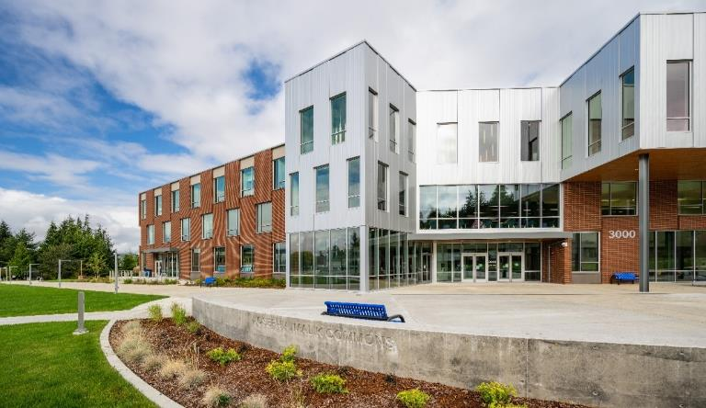
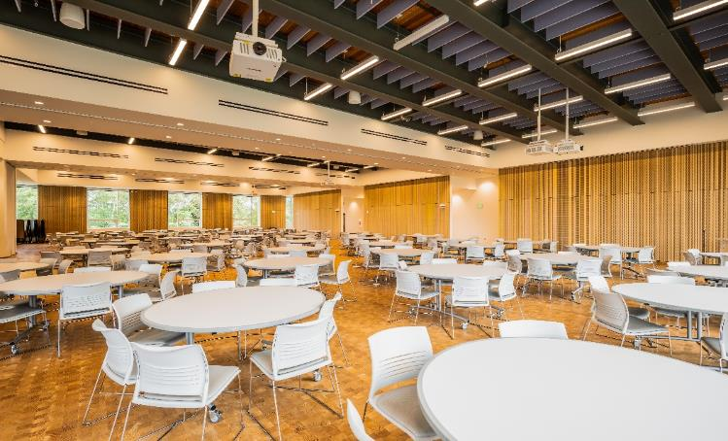

Front View 9/19/2024
Interior - Event Center 9/19/2024

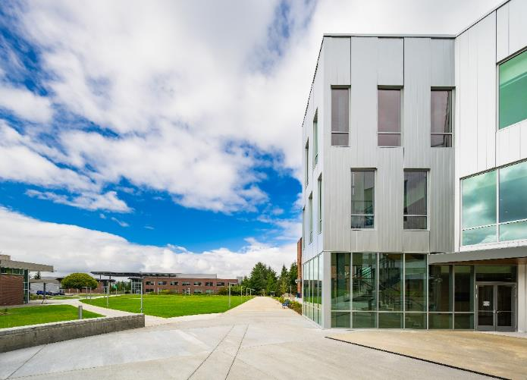
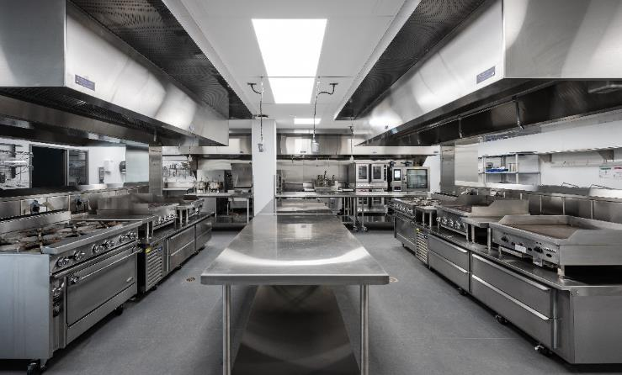

Interior - Culinary Classroom 9/19/2024
Side View 9/19/2024

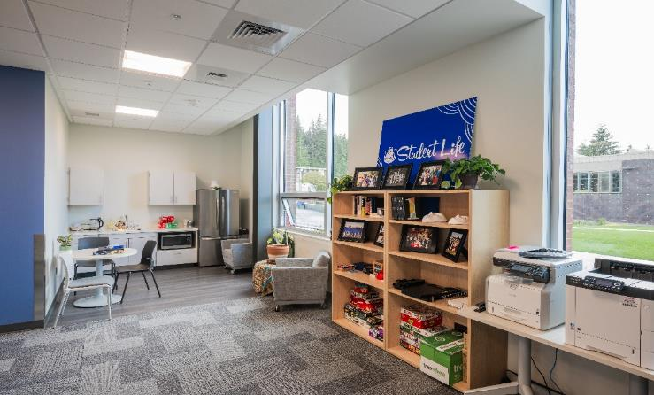
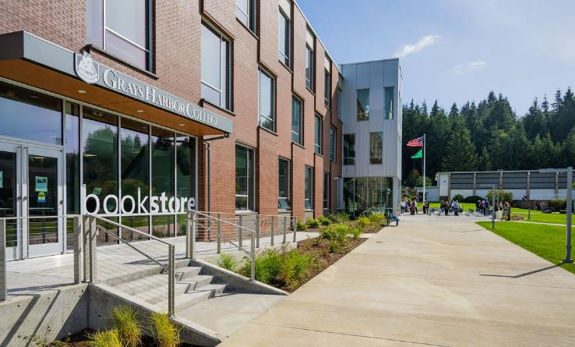

Interior - Student Life 9/19/2024
Side View 9/19/2024

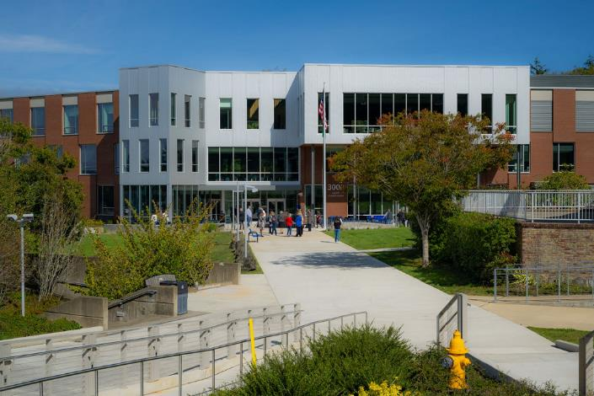
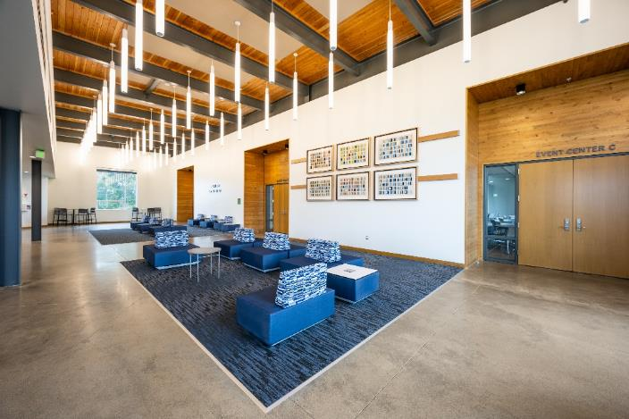

Front View 9/19/2024
Interior - Event Center Lobby 9/19/2024

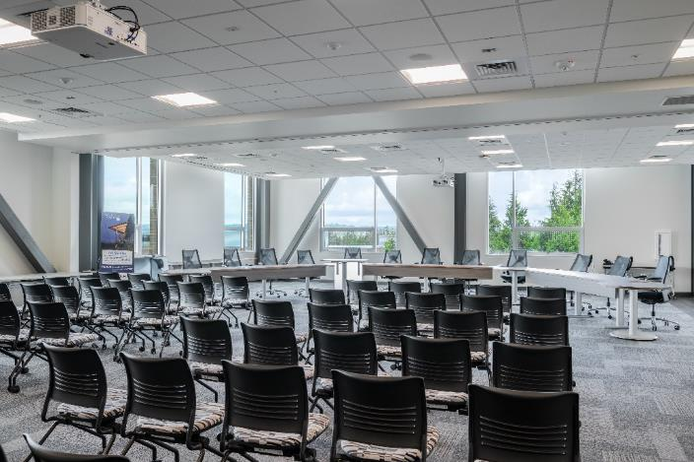
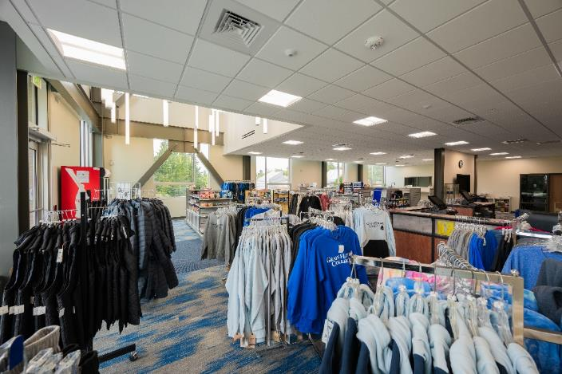

Interior - Board Room 9/19/2024
Interior - Bookstore 9/19/2024

