Photo Gallery (2)
Photo Gallery
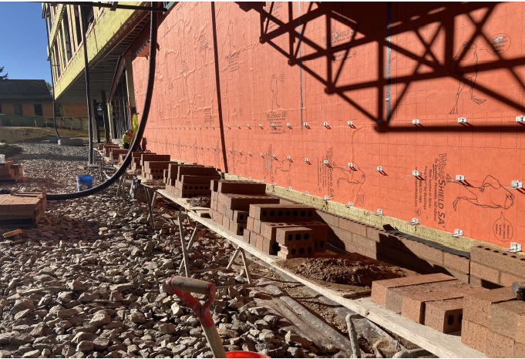
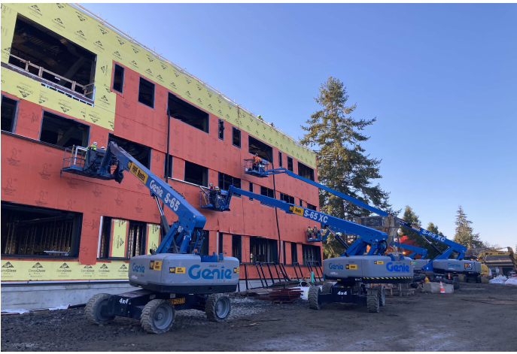

Brick on South side
Window framing on North side

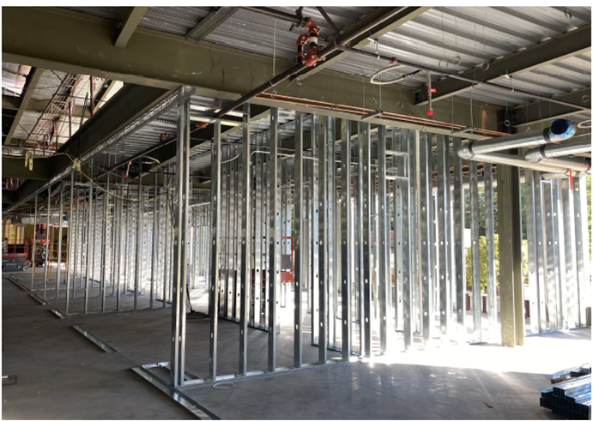

Interior framing on 2nd floor

