Photo Gallery (2)
Photo Gallery

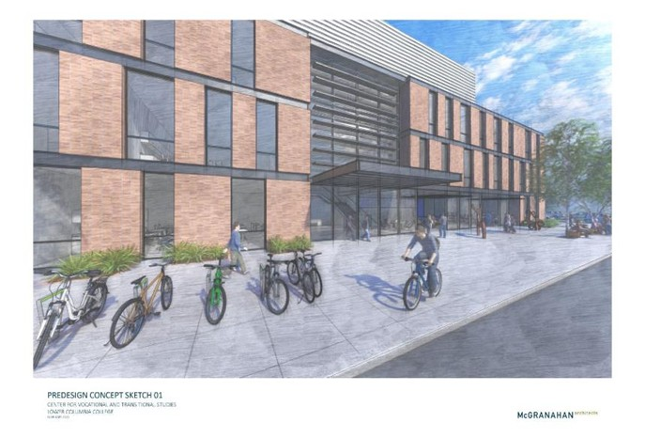
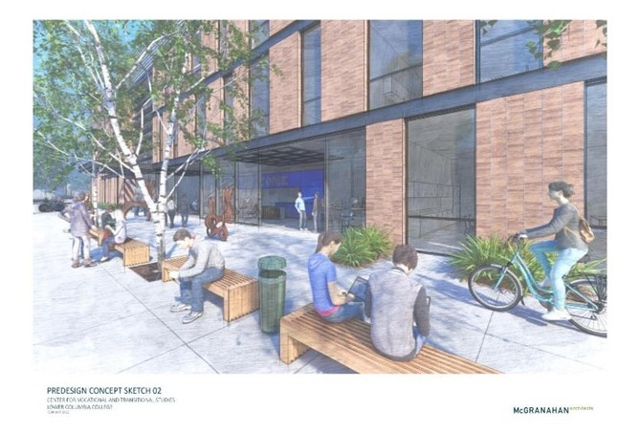

Pre-design Concept Sketch 01 2/22/22
Pre-design Concept Sketch 02 2/22/22

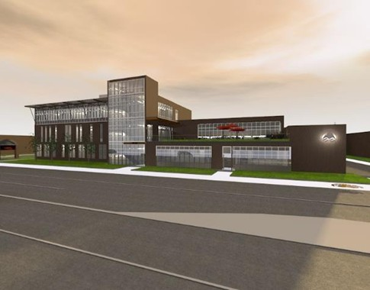
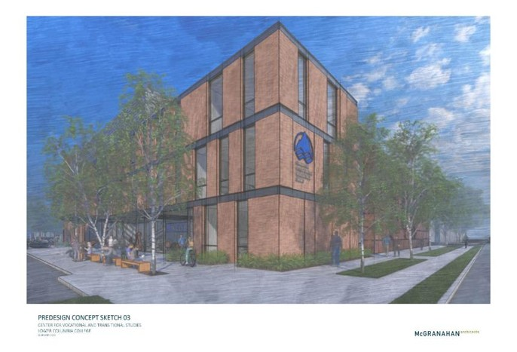

Pre-design Concept Sketch 03 2/22/22
SD Concept Sketch 12/13/22

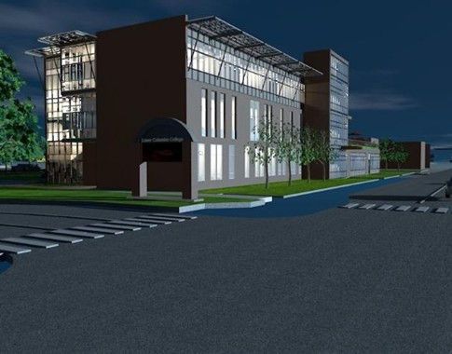
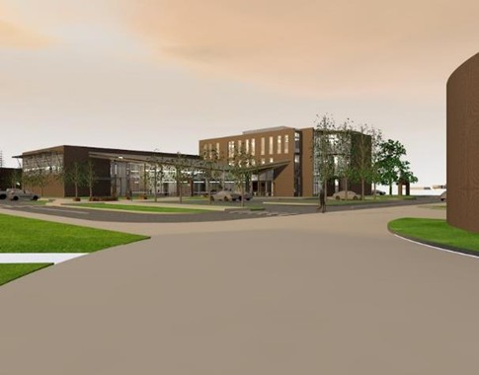

SDSD Concept Sketch 12/13/22
SD Concept Sketch 12/13/22

Photo Gallery
Photo Gallery

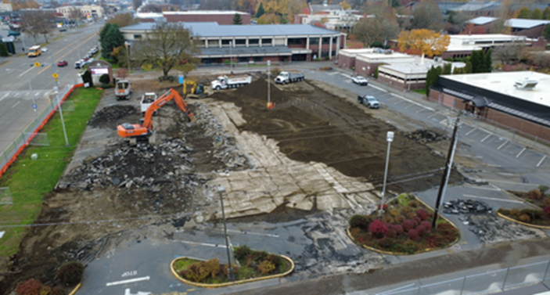
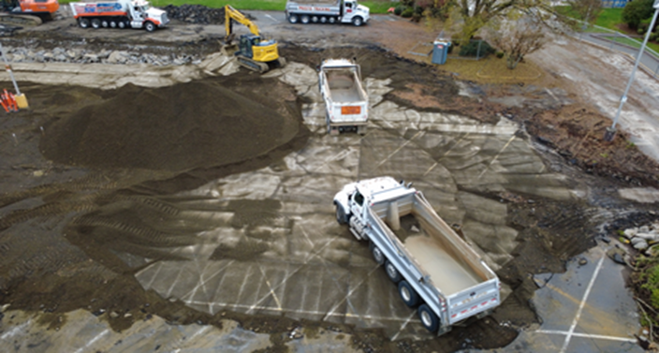

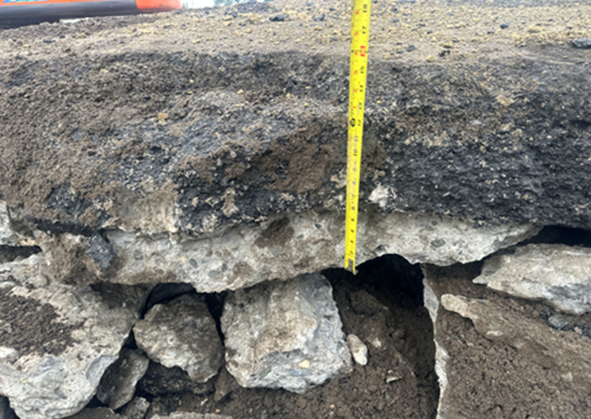
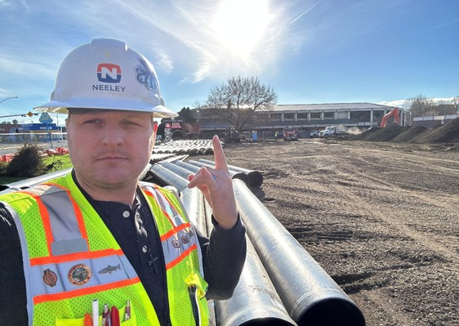

Right-click on picture above to change picture to photos of the project.

