Photo Gallery
Photo Gallery

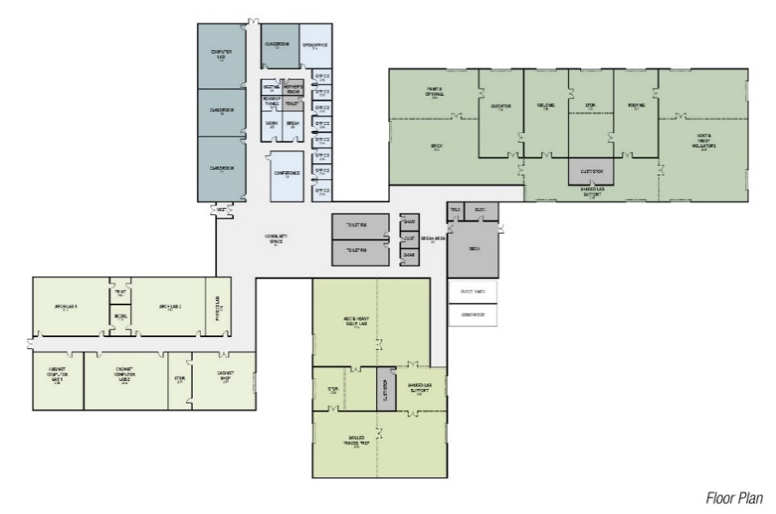
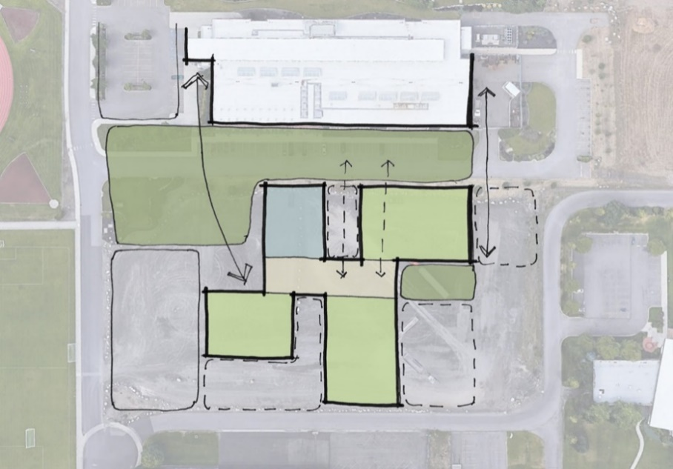

Schematic Floor Plan - Pre-Design
Schematic Sketch - Pre-Design ("Gaining Momemtum" plan)-Selected

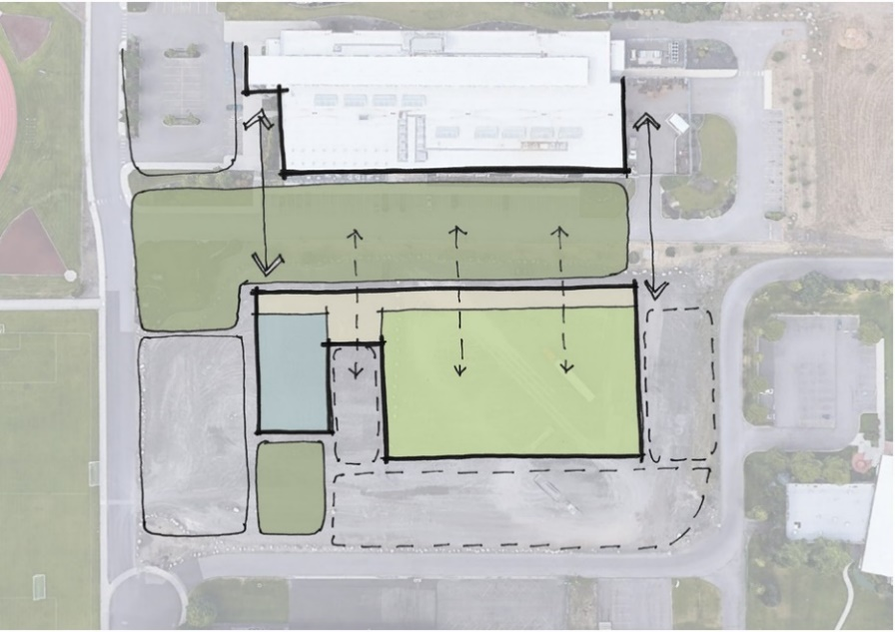
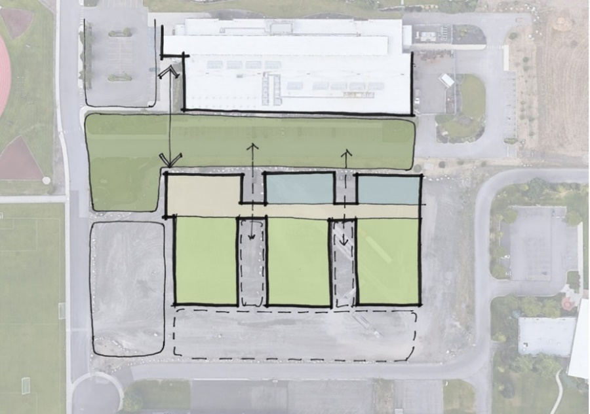

Schematic Sketch - Pre-Design ("Gallery of Trades" plan)
Schematic Sketch - Pre-Design ("The Line Up" plan)

