Photo Gallery
Photo Gallery

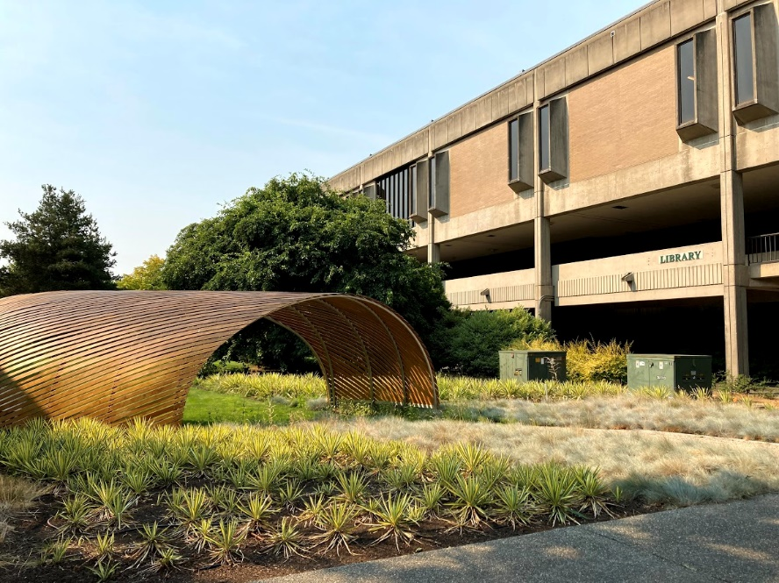
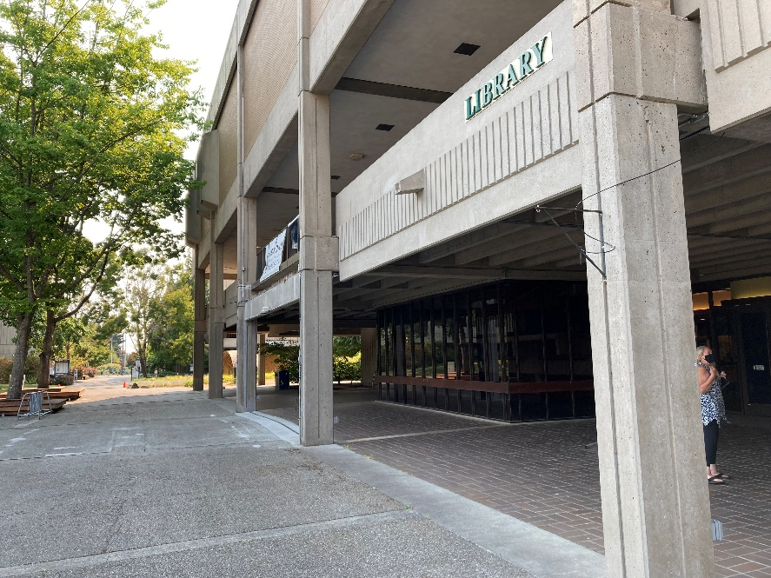

Existing Lynnwood Hall shown from the East Side
Existing Lynnwood Hall shown from the North Side

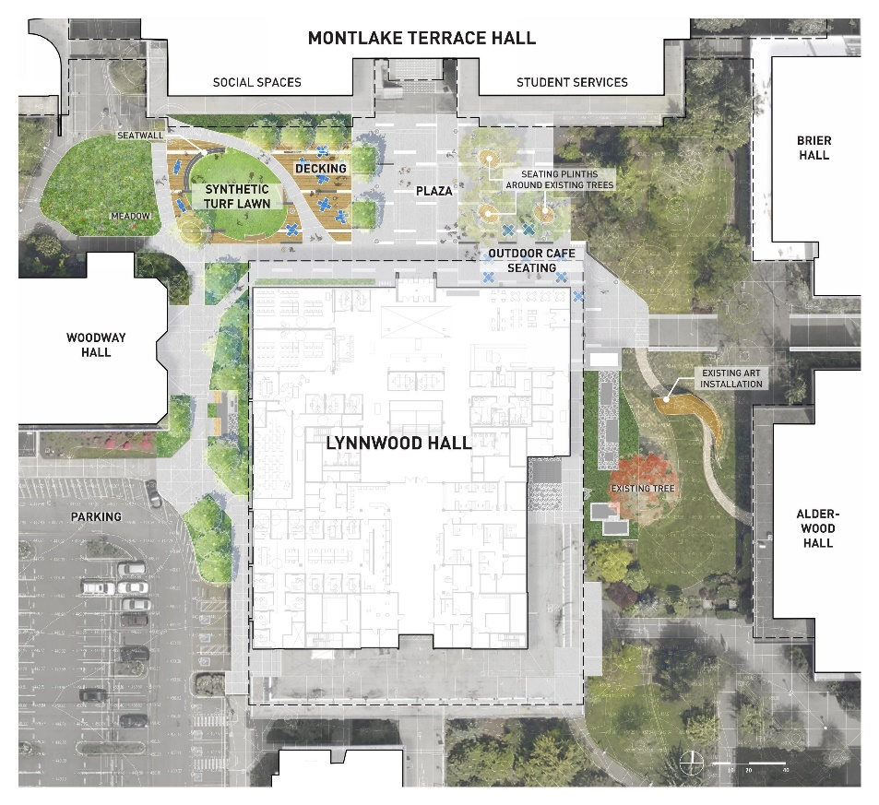

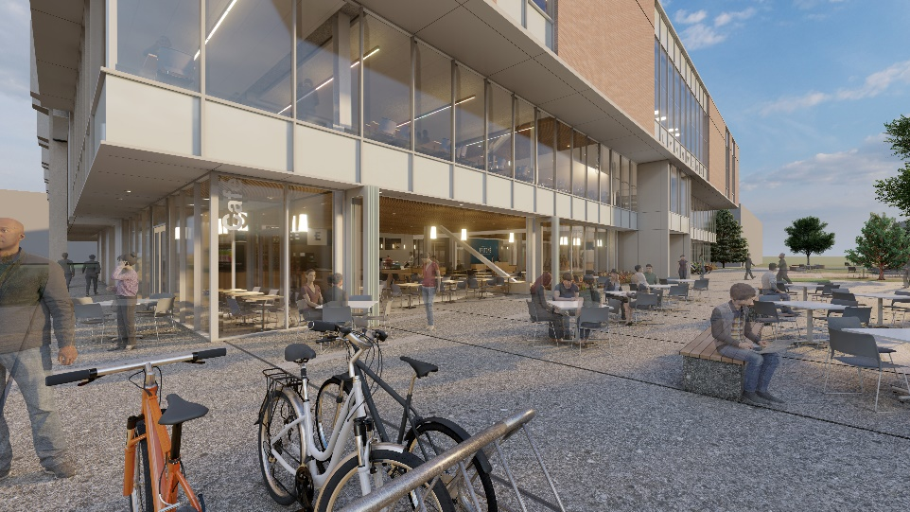

Design Development Renderings - New Addition
Design Development Renderings - New Addition
Design Development Site Plan
Design Development Site Plan

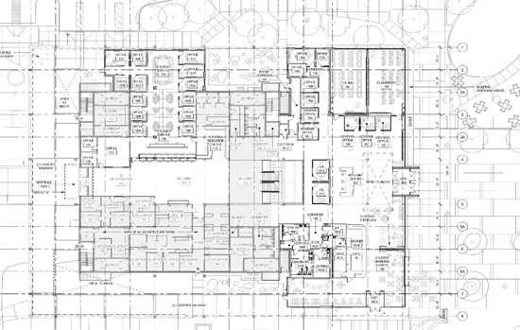
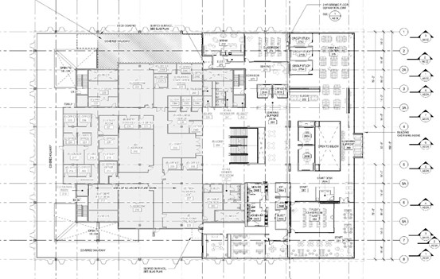

Construction Document First Floor Plan
Construction Document Second Floor Plan

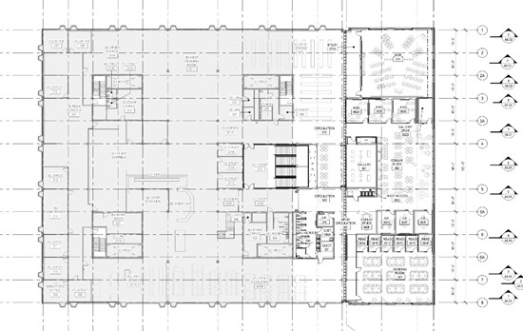
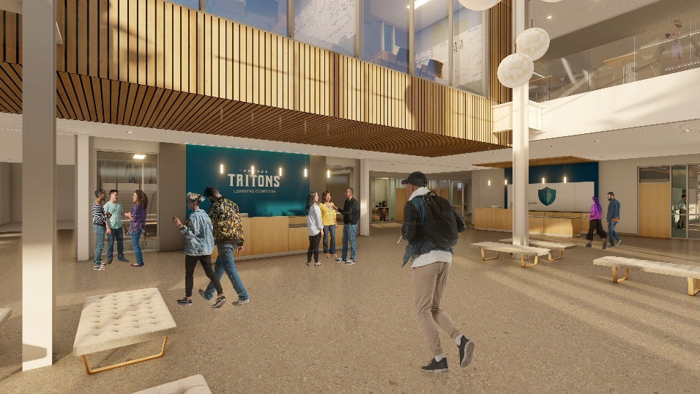

Design Development Renderings - Welcome Center

Construction Document Third Floor Plan

