Photo Gallery
Photo Gallery

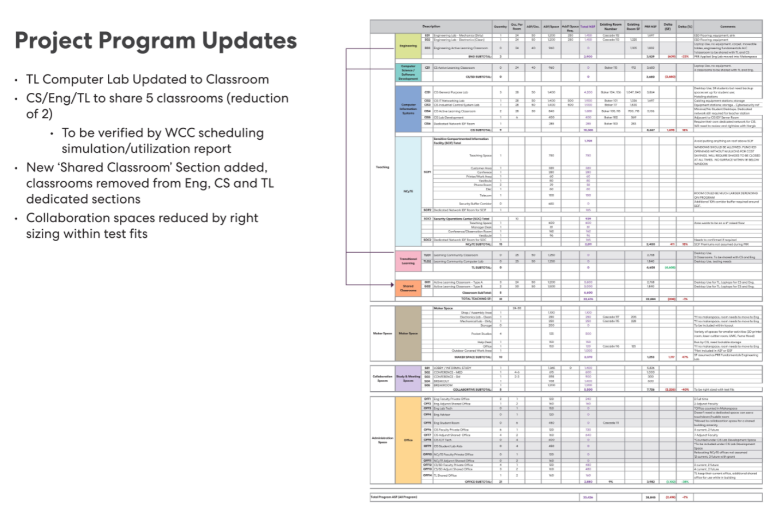
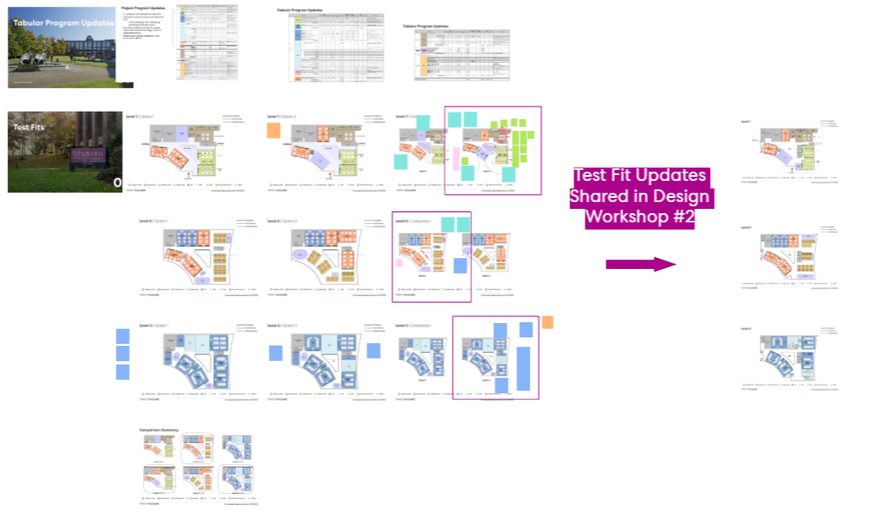

Updated Program Tabulation
Building Shape and Program Test Fits

Right-click on picture above to change picture to photos of the project.
Right-click on picture above to change picture to photos of the project.

