Photo Gallery (2)
Photo Gallery

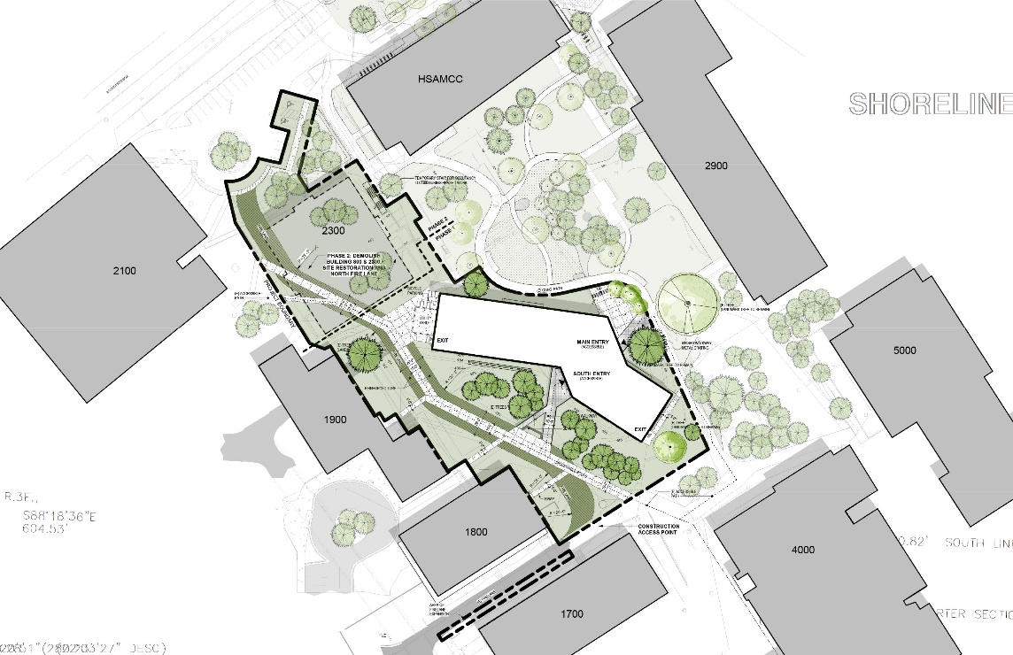
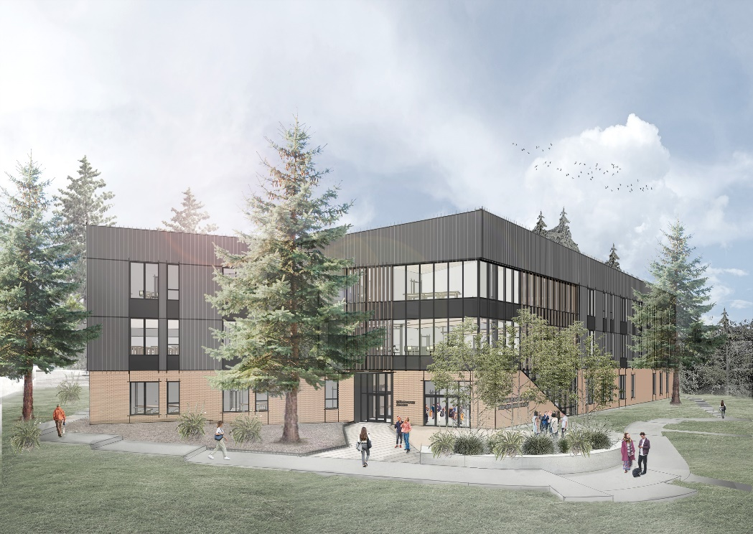

STEAM Building Site Plan
STEAM Building Rendering - View from North

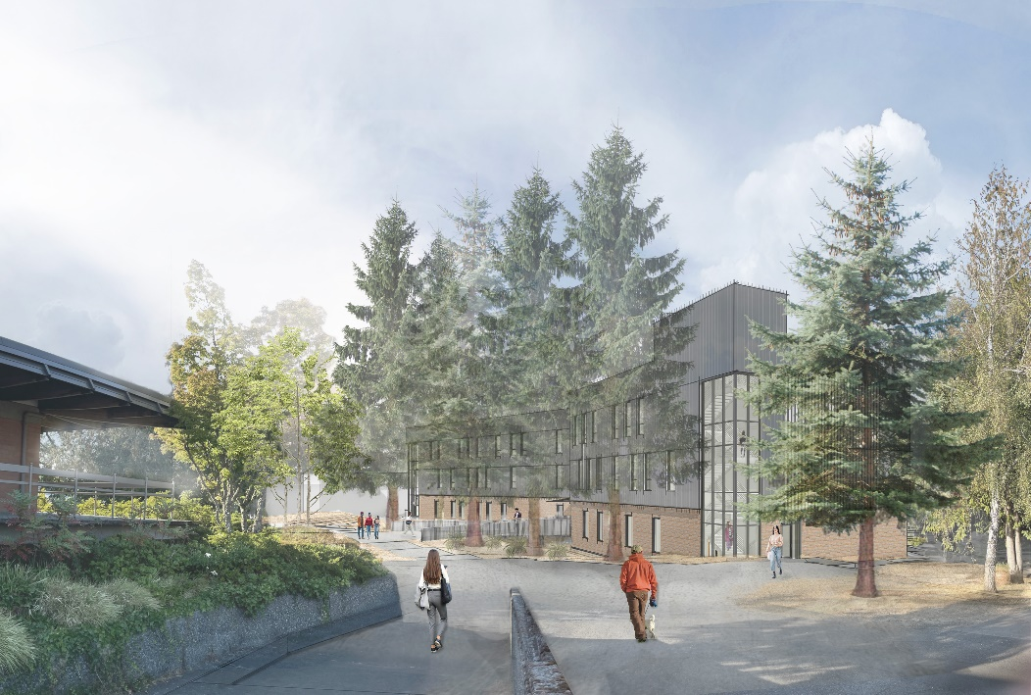

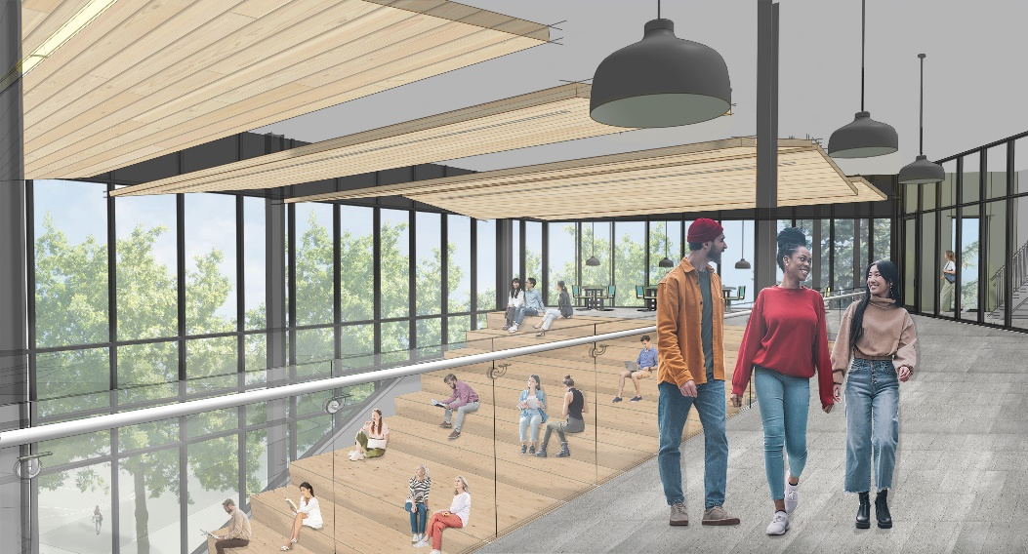

STEAM Building Rendering - View from North
STEAM Building Rendering - Interior

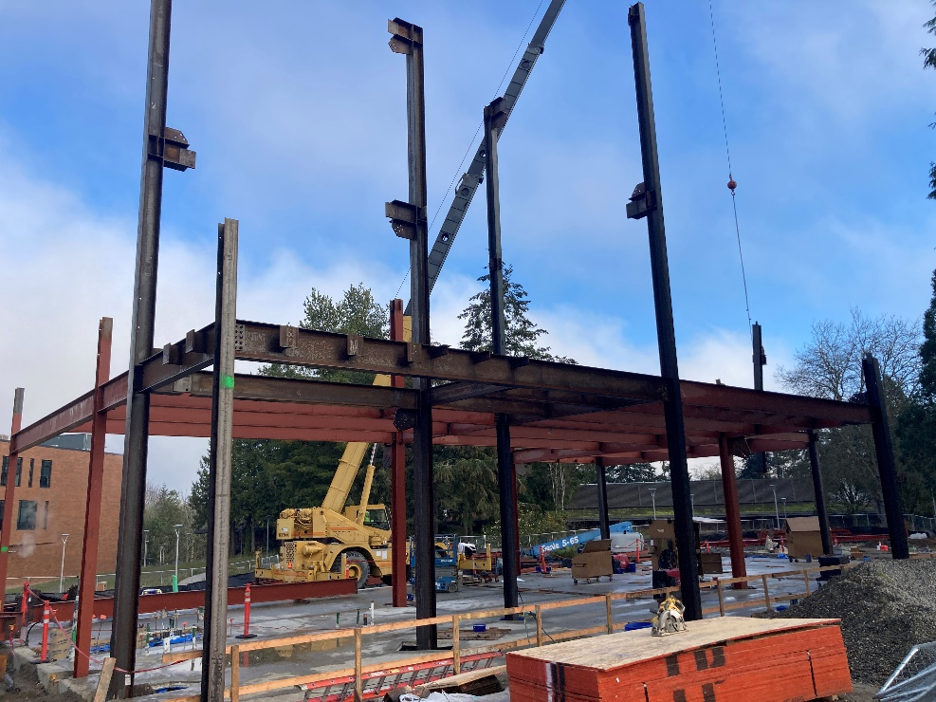
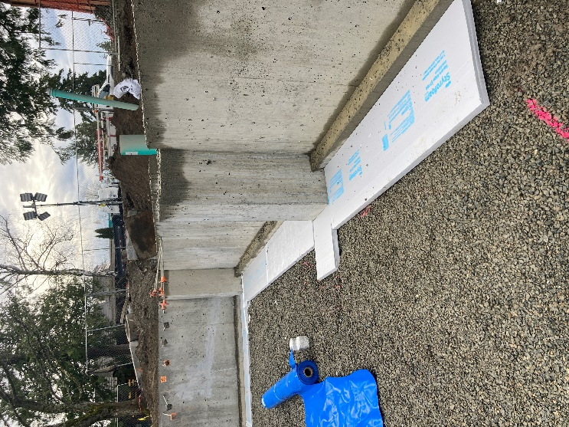

STEAM Building - Steel Erection Underway
STEAM Building - Foundation Walls Complete

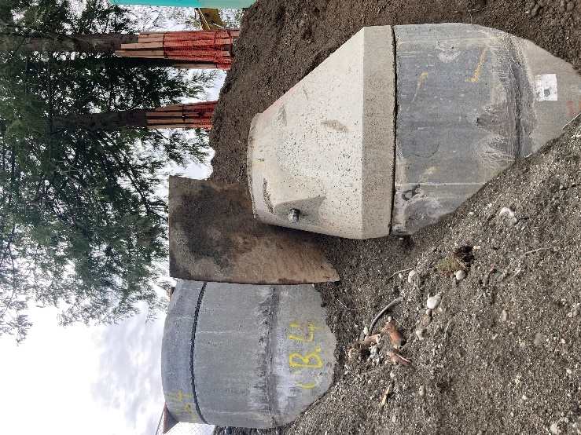
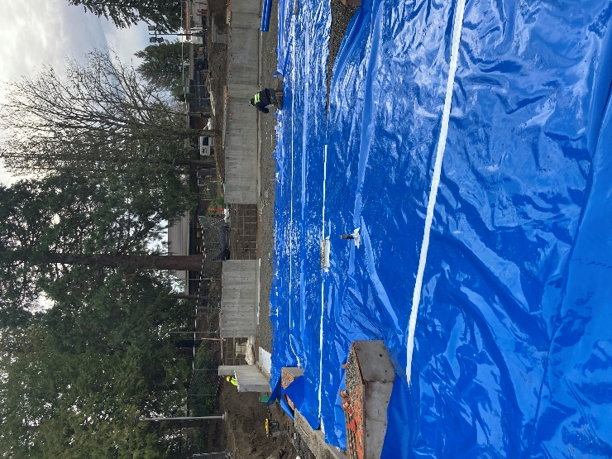

STEAM Building - Stormwater Structures Being Installed
STEAM Building - Preparation for Slab Pours

