Photo Gallery-Dec2024
Photo Gallery

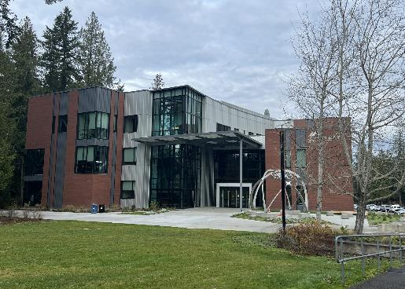
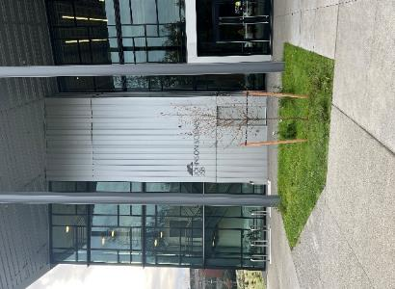

Completed Johnson Science Building - from Quad
Completed Johnson Science Building - from Parking Lot

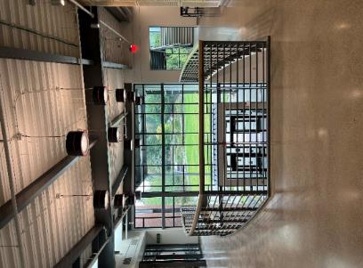
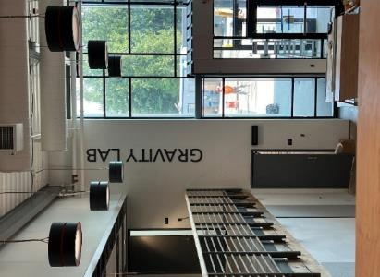

2 Story Entry Lobby viewed from second level
2-Story Space for Student Experimentation

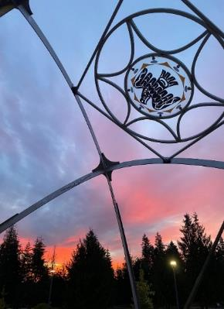
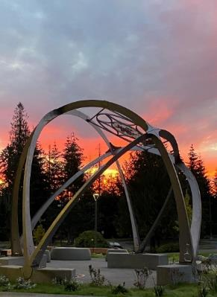

Sun Lodge - by Preston Singletaryngletary (Arts WA)rts WA)
Sun Lodge - by Preston Sngletary (Arts WA)

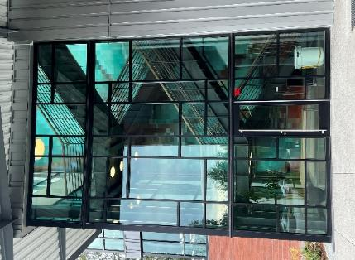
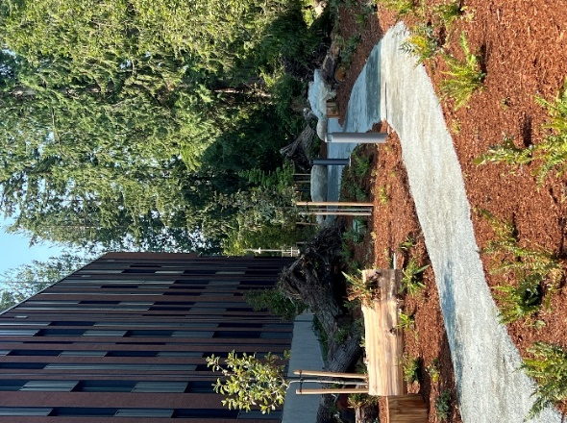

Feature Stairwell at Main Entry
Nature Trail for Hands-On Learning Opportunities

Photo Gallery-jun2024
Photo Gallery

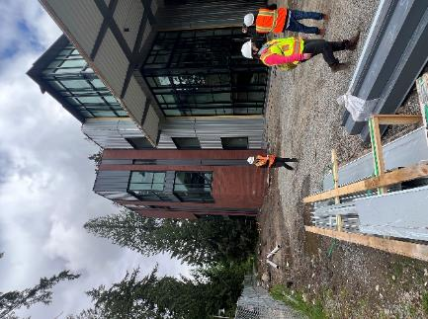
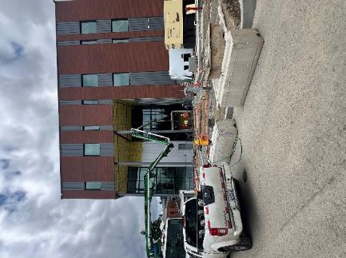

East Entry Siding Nearing Completion - May '24
Front Entry Siding Mostly Complete - May '24

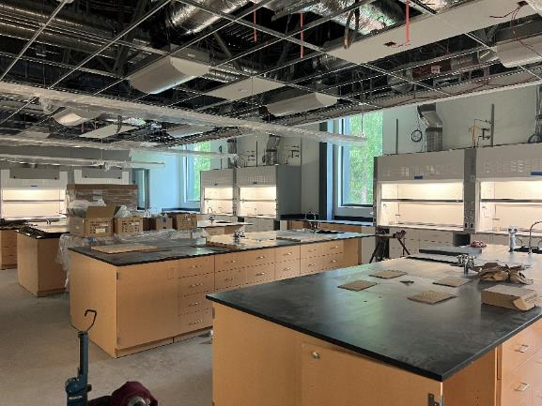

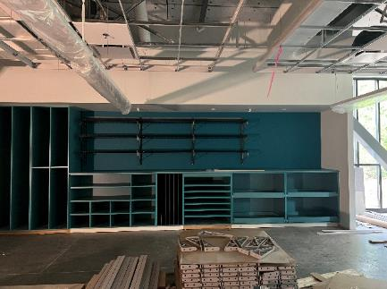

Fab Lab Equipment Storage - May '23

Lab Casework Installation Underway - May '24

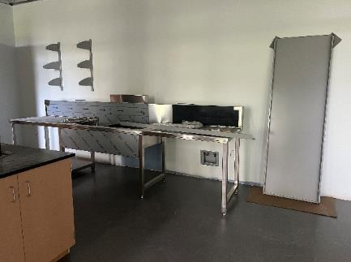
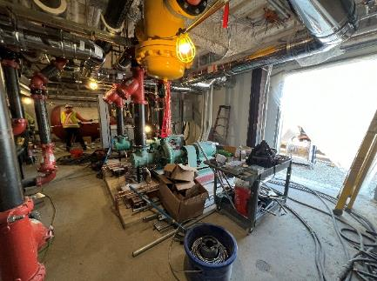

Mechanical Room Equipment Installation- May '24
Lab Prep Room Equipment- May '24

Photo Gallery-dec2023
Photo Gallery

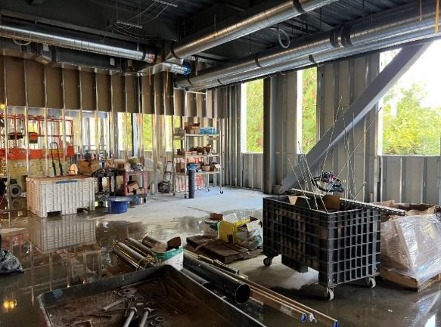
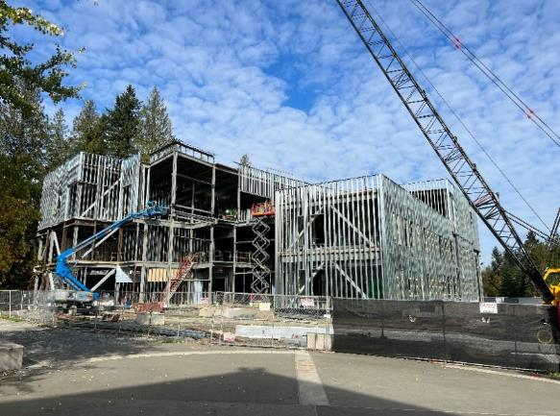

MEP rough-in underway - Oct '23
Structural Steel nearing completion - Oct '23

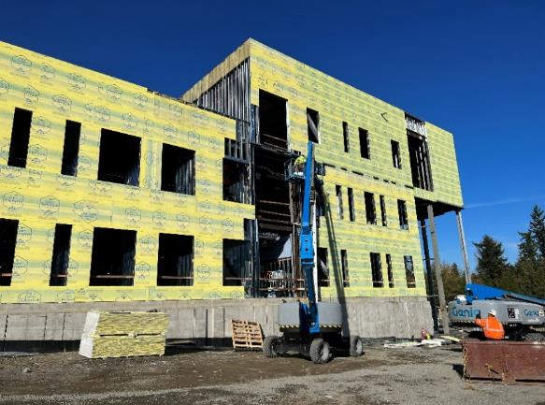
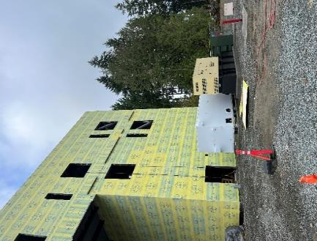

Closing in framing & exterior sheathing - Nov '23
View at entry off parking lot (east) - Nov '23

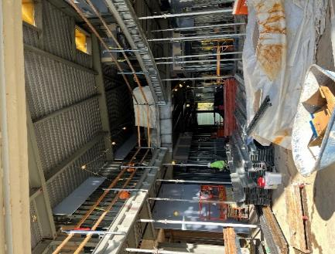
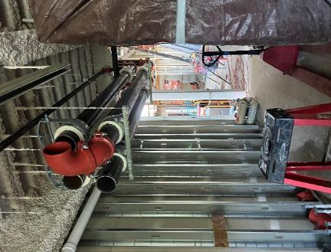

2-Story entry lobby - Nov '23
CHW piping rough-in - Nov '23

Photo Gallery-jun2023
Photo Gallery

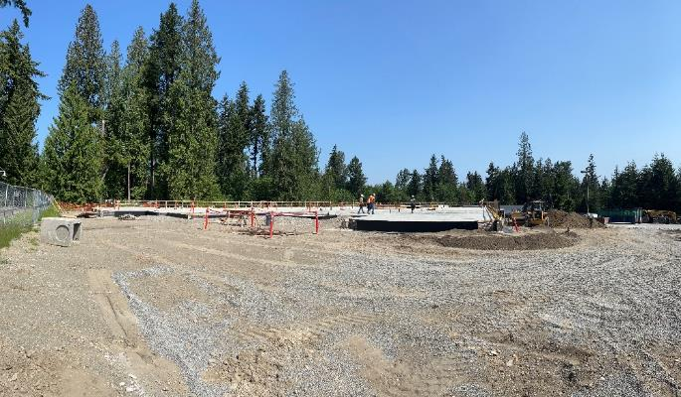
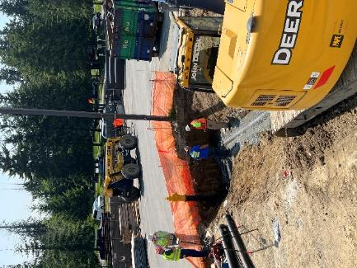

Wide-angle view of completed slab on grade
Installation of a site Fire Hydrant

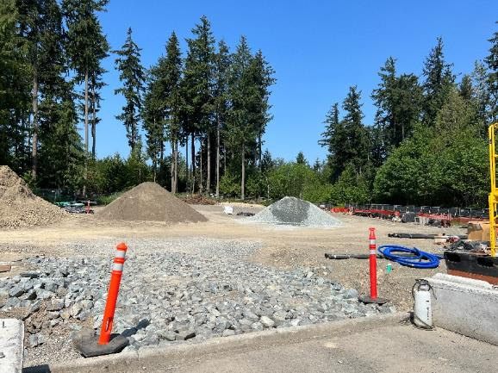
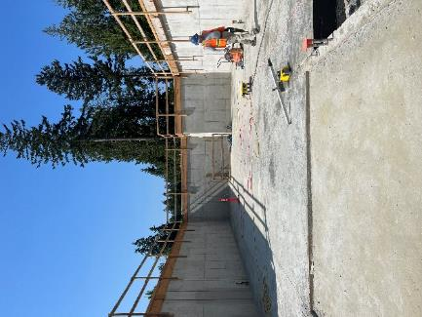

New parking lot site, at grade and ready for final subgrade,
curbs and asphalt
Gravity lab view from grade-this will be a 2-story space for experimentation

