Photo Gallery (2)
Photo Gallery

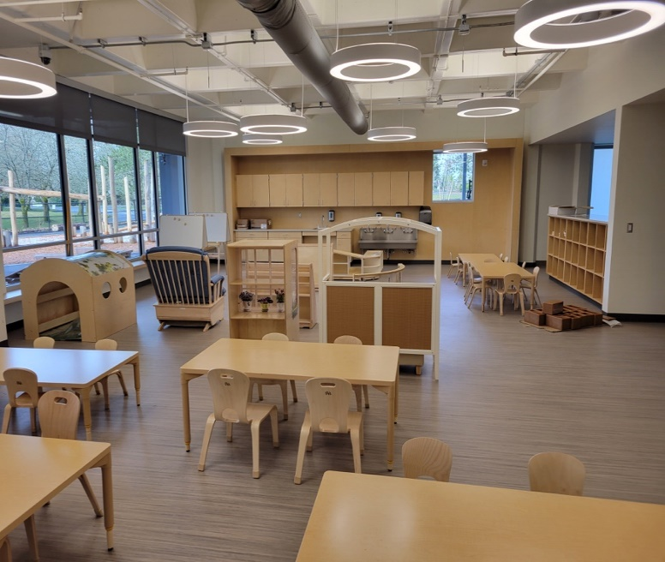

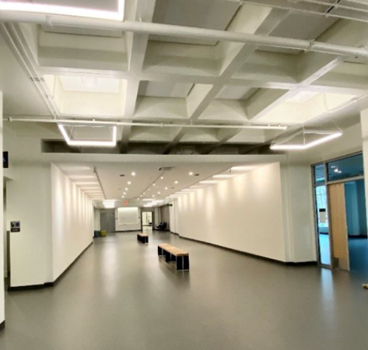

Level 2 Gallery

ECE Level 1 Lab School

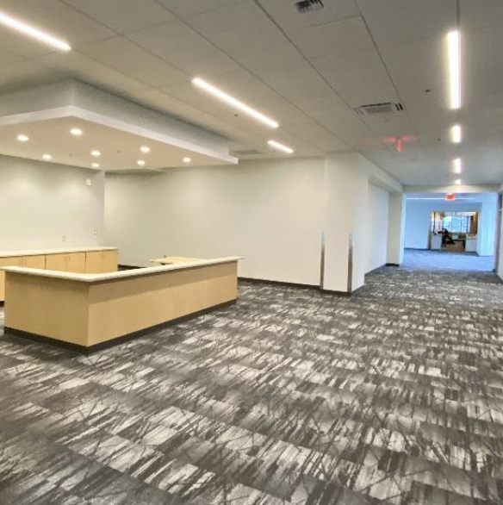
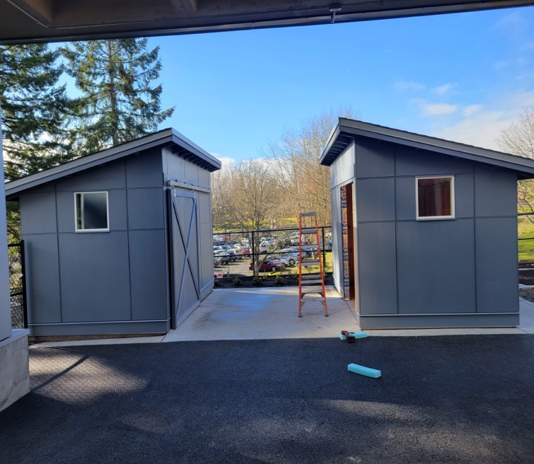

Level 3 CWU Reception Area
ECE Outdoor Sheds

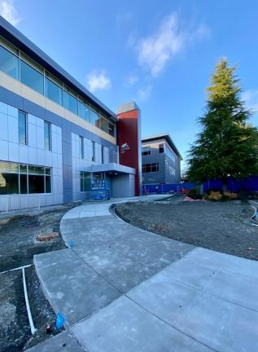
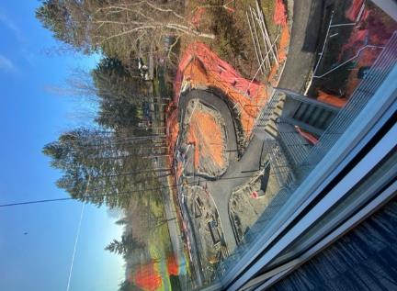

Exterior New Entry Approach
Outdoor Learning Environment from Level 3

